ERAP
 

Expansion of Registered Apprenticeship and Preapprenticeship (ERAP) Grant Concept Pitch

Commissioner of Education Richard Corcoran President of Seminole State College Dr. Georgia Lorenz

ERAP Instructions
Expansion of Registered Apprenticeship/Preapprenticeship Grant Concept Pitch Instructions
The Florida Department of Education (FDOE) is partnering with Seminole State College to start and expand registered apprenticeship and preapprenticeship programs. The monies available shall only be granted to public post-secondary education agencies (i.e. school districts, Florida College System institutions and State University System institutions). Seminole State College and FDOE have a particular interest in supporting registered apprenticeship and preapprenticeship programs that partner with *small businesses or *clusters/cooperatives of small businesses. Complete this concept pitch by 5PM EDT Tuesday, March 15th, 2022. The ERAP grant will be used to fund high quality concept pitches focused on starting or scaling in-demand registered apprenticeship or preapprenticeship programs related to high-demand and middle to high wage occupations. Funds will used to support and expand apprenticeship programs focused on both skilled construction trades and non-traditional occupations (e.g., healthcare, aerospace, manufacturing, and information technology) pathways programs across education sectors over two years based on regional demand. The goal for the ERAP Grant Concept Pitch is to identify as many as seven (7) concept pitches to fund with approximately $9.5 million. The cap on the budget for the ERAP Grant is $2 million. For questions related to this document, please contact Charles.Feehrer@fldoe.org or (850) 245-0915.
1) Only use Calibri 12-Point font throughout the Concept Pitch form.
2) Narrative boxes contain character limits.
3) Respond to all informational requests in this Concept Pitch form.
4) Use this Apprenticeship Training Regional (ATR) map to answer question #2 on the Applicant Information tab.
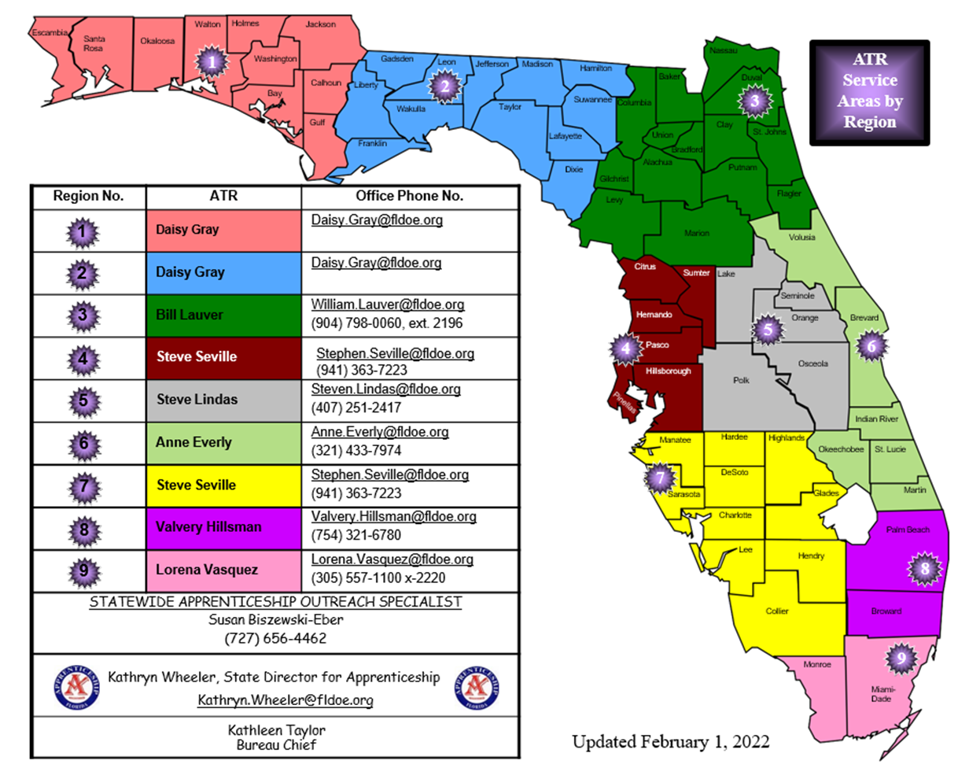
5) *Per Florida Statute 288.703(6), “Small business” means an independently owned and operated business concern that employs 200 or fewer permanent full-time employees and that, together with its affiliates, has a net worth of not more than $5 million or any firm based in this state which has a Small Business Administration 8(a) certification. As applicable to sole proprietorships, the $5 million net worth requirement shall include both personal and business investments.

