Instructions
School District CIP Review Instructions

Background and Introduction:

This review is for postsecondary programs only and the program information in this workbook is from data reported to FDOE for the year 2019-20. It has been compared to the current active program inventory for 2020-21. This comparison was performed for several reasons:
· To identify programs being used in 2019-20 that are no longer valid in 2020-21; and
· To review the 2020-21 program inventory and their associated CIPs and identify any potential changes that need to be made to align them with the new 2020 Federal 6-Digit CIPs.

Instructions:

To start review begin with the tab labeled Master List.
· This list is the current available 2020-2021 academic year statewide inventory of postsecondary career certificate programs (CAR) and applied technology diplomas ( CAR-ATD) and it provides the following information:
o Career Cluster (column A)
o FDOE Program Title (column B)
o Program Type (column C)
o Current FDOE 10 Digit CIP Number (column D)
o 2010 Federal 6 Digit CIP (column E)
o 2020 Federal 6 Digit CIP(column F)
o FDOE Suggested 2020 Federal 6 Digit CIP (column G)
o 2020 Federal CIP Title (**NOTE** This is NOT the program title) (column H)
o Postsecondary Program Number (column I)
o Teach Out Program Status Indicator (column J)
o Year Daggered Indicator (column K)

Please note that Teach Out and Year Daggered indicators in columns J and K have been included for reference purposes only. Those CIP numbers are being reviewed internally and not subject to this external stakeholder review. However, please note that if a program is in teach out status, districts should not be enrolling new students or be considering the addition of the teach out program to their local catalog offering. In addition, CIP codes associated with registered apprenticeship and preapprenticeship programs are not subject to this external stakeholder review. Those CIP codes will be aligned with complimentary postsecondary programs that train for like occupations by the Department.

Next step is to find your district tab in the workbook. The workbook tabs are in numerical/alpha order.

Click on your district tab to reveal your program list.

When the tab opens you will see a list of all the postsecondary CTE programs the district reported enrollment and/or a completion for the 2019-20 reporting year.

Review each program by:
1. If a program has NA in Columns D, E, F, G and H that means that there wasn’t a current match for that program in the 2020-21 program inventory because that program is no longer available/reportable in 2020-21. These CIPs will not be updated. However:
a. The district should make sure that the program is not in use for the 2020-21 reporting and
b. In column L note any comments you might have such as “The district is no longer offering this program in 2020-21 and has moved to the new replacement program.”

If the record/line does not contain NA complete the following steps:
1. Look at the current 2010 Federal CIP (Column E) that is in use.
a. Note* The 2010 Federal CIP is also the middle six digits of the 10 digit CIP (Column C) that is associated with the postsecondary program number (Column D). The postsecondary program number is used for reporting by the district.
2. Next look at the 2020 Federal CIP (Column F). This is the CIP that the Feds suggest we use.
3. Then review the FDOE Recommended Federal CIP (Column G). In most cases the FDOE recommended CIP is the same as the 2020 CIP suggested by the federal NCES crosswalk. However, this is also where the two may differ because it was determined that a different 2020 Federal CIP was better aligned to the program and the Department is recommending a different 2020 federal CIP number.
4. Review the corresponding 2020 Federal CIP Title in Column H.
5. The tab 2010-2020 NCES FederalCrosswalk is provided for your reference. However, you are welcome to review the detailed CIP information which may be found at the following link https://nces.ed.gov/ipeds/cipcode/Default.aspx?y=56 once on this page click the blue word “resources.”
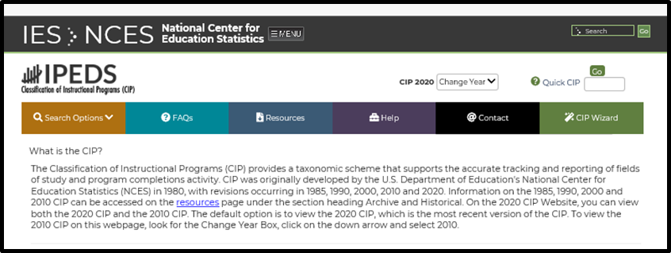

6. Then click View Crosswalk 2010-2020

7. In Column I, you will indicate if you agree or disagree with the FDOE recommended Federal CIP by making the selection using the drop down list (You will see the drop down arrow when you click in the cell).
8. If you selected disagree in Column I, then enter your suggested 2020 CIP recommendation in Column J. It must be a valid CIP from the NCES 2010-2020 CIP Crosswalk that can be found using the link provided in step 5 or the tab 2010-2020 NCES FederalCrosswalk in the workbook.
9. In Column K provide your reason for disagreement and brief rationale for your recommendation.
10. Column L is available for the institution to provide any comments or feedback to the Department regarding the program.
11. If you are offering a new program this year (2020-21 academic year) or are going to be adding a program in 2021-22 and would like to add the program to your list:
a. Find the program on the on the “Master List” tab and then enter the corresponding program information at the end of the list provided on your district tab. You will enter this corresponding information at the bottom of your list in the first available blank row.
b. In Column L indicate if it was new for 2020-21 or will be new/proposed for 2021-22.

When you are done with the review please email the workbook, with your completed tab, back to christine.walsh@fldoe.org

