Cost Analysis
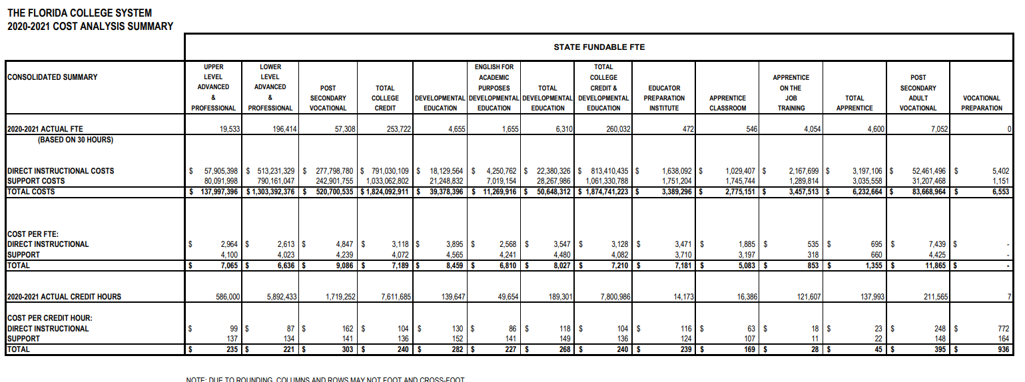

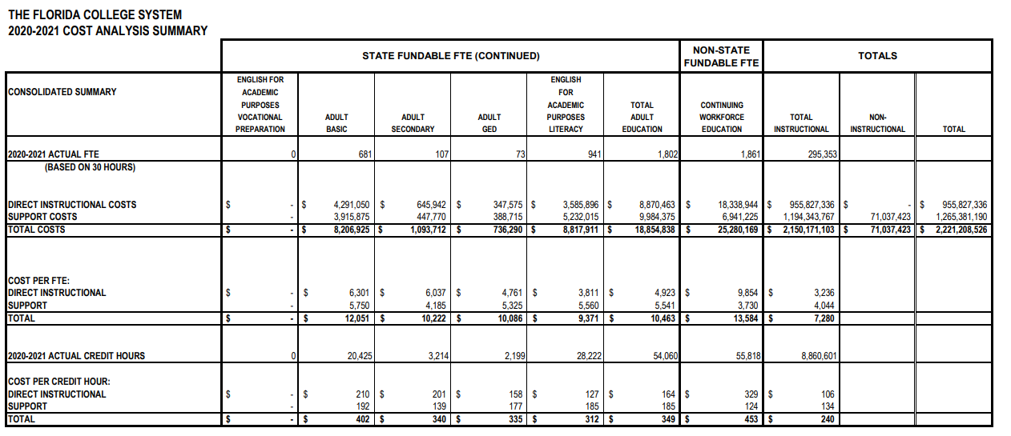

Source: | https://www.fldoe.org/core/fileparse.php/19874/urlt/2021CA-2Summary.pdf

